Today's Menu
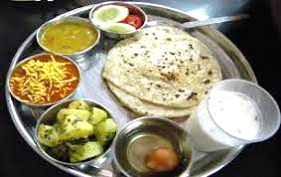 Canteen Menu May-2023

Canteen | Sabji-1 | Sabji-2 | Special Item | Regular
Anjani | Palakh Mogar Dal | Chori | Pakoda | Dal-Rice-Roti-Salad

ANYA | Galka | Chhole | Mix Pakoda | Dal-Rice-Roti-Salad

SKAPS | Palakh Aloo | Desi Chana | Aloo Vada | Dal-Rice-Roti-Salad

